National Standards
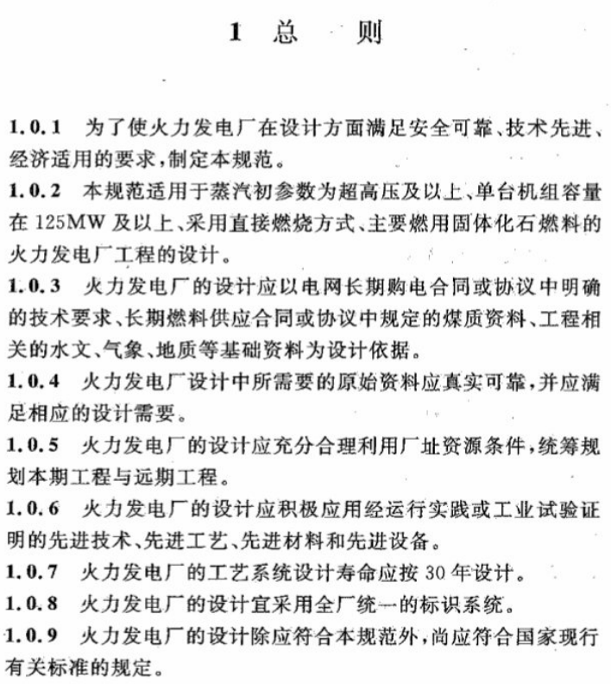
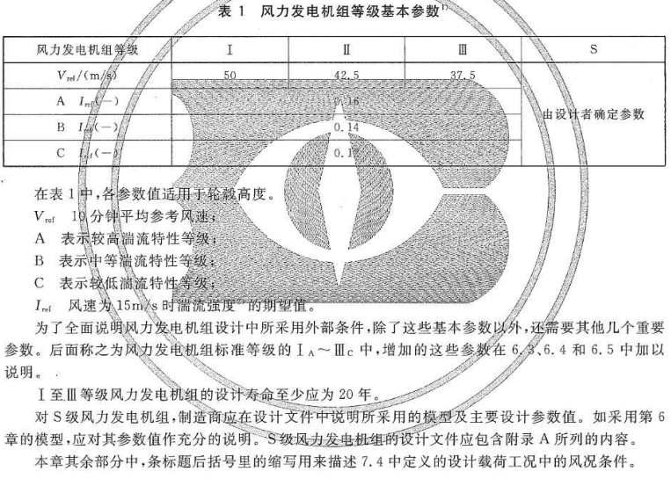
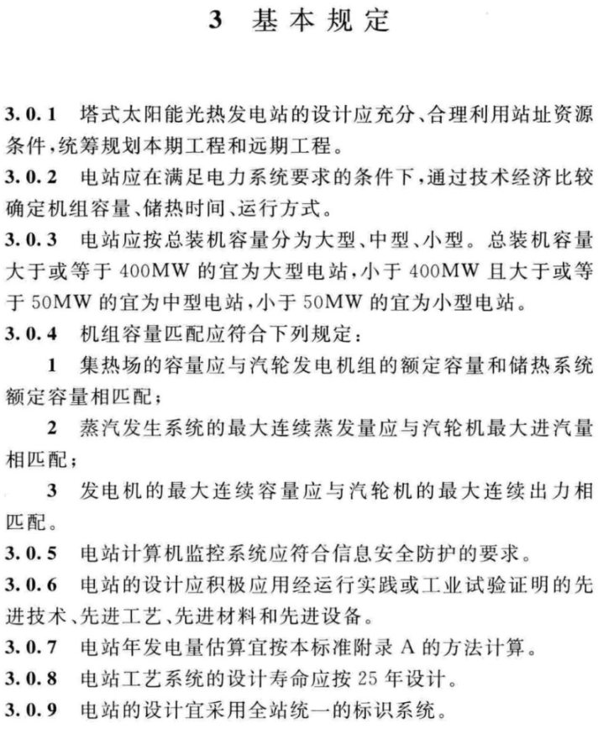
Coal, Natural Gas, Oil, Biomass | Wind | Solar Thermal | Geothermal
 |  |  | 3 基本规定
 |  |  | 3.1 地热电站建设规模
 |  |  | 3.1.1 电站建设规模应与地热储量及其在电站寿命期内的稳定供应能力相匹配，并依据可采地热储量确定。

 |  |  | 3.1.2 地热电站单机容量应根据地热储量、地热流体参数，由用户与制造厂共同商定，并宜与汽轮发电机容量系列匹配。

 |  |  | 3.1.3 地热电站寿命宜按30a设计。

 |  |  | 3.1.4 地热电站建设规模应与当地电力系统规划相适应。

LBNL Data
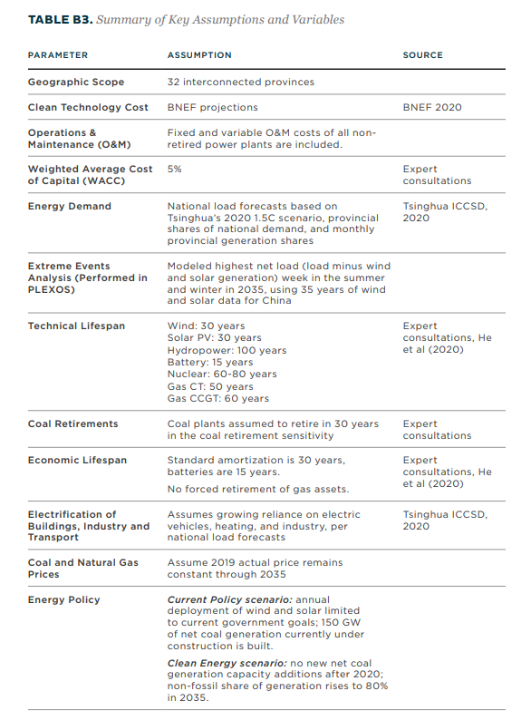
 | China | LBNL | National Guidelines
hard coal | 35 | 30 | 30
natural gas nonpeaker | 35 | 50-60
nuclear | 50 | 60-80
hydro | 70 | 100
onshore wind | 25 | 30 | 20
solar PV | 25 | 30 | 20
solar thermal | 25 | 30 | 25
biomass | 35
geothermal | 30 |  | 30
petroleum | 35
natural gas peaker | 35 | 50-60
lignite | 35 | 30
offshore wind | 30 | 30 | 20
crude oil | 35
heavy or residual fuel oil | 35
municipal solid waste | 35
Battery |  | 15

Comparison with other PS
Electricity Source | US | Hong Kong | Canada | India | Shandong
hard coal | 45 | 45 | 45 | 45 | 35
natural gas nonpeaker | 45 | 45 | 45 | 45 | 35
nuclear | 60 | 60 | 60 | 60 | 50
hydro | 66 | 66 | 75 | 66 | 70
onshore wind | 30 | 30 | 30 | 30 | 25
solar PV | 30 | 30 | 30 | 30 | 25
solar thermal | 30 | 30 | 30 | 30 | 25
biomass | 45 | 45 | 45 | 45 | 35
geothermal | 30 | 30 | 30 | 30 | 30
petroleum | 45 | 45 | 45 | 45 | 35
natural gas peaker | 45 | 45 | 45 | 45 | 35
lignite | 45 | 45 |  | 45 | 35
offshore wind | 30 | 30 | 30 | 30 | 30
crude oil | 45 | 45 |  | 45 | 35
heavy or residual fuel oil | 45 | 45 |  | 45 | 35
municipal solid waste | 45 | 45 |  | 45 | 35
coal to gas |  |  | 15

 | US | Hong Kong | Canada | India | Shandong
hard coal | 45 | 45 | 45 | 45 | 35
natural gas nonpeaker | 45 | 45 | 45 | 45 | 35
nuclear | 60 | 60 | 60 | 60 | 50
hydro | 66.466814159 | 66 | 75 | 66 | 70
onshore wind | 30 | 30 | 30 | 30 | 25
solar PV | 30 | 30 | 30 | 30 | 25
solar thermal | 30 | 30 | 30 | 30 | 25
biomass | 45 | 45 | 45 | 45 | 35
geothermal | 30 | 30 | 30 | 30 | 30
petroleum | 45 | 45 | 45 | 45 | 35
natural gas peaker | 45 | 45 | 45 | 45 | 35
lignite | 45 | 45 |  | 45 | 35
offshore wind | 30 | 30 | 30 | 30 | 30
crude oil | 45 | 45 |  | 45 | 35
heavy or residual fuel oil | 45 | 45 |  | 45 | 35
municipal solid waste | 45 | 45 |  | 45 | 35

